norm scale
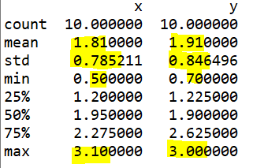
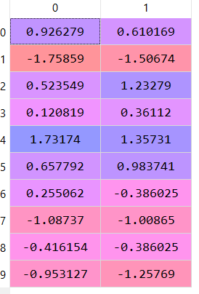
 | Raw Data |  |  |  | normalize/min-max normalize |  | scale/standardize |  | scale sqrt10
 | x | y |  | (x - mean)^2 | x | y | x | y | x | 0.93 | 0.61
1 | 2.5 | 2.4 |  | 0.4761 | 0.76923076923 | 0.73913043478 | 0.87874523496 | 0.57885680911 | 0.9262788085 | -1.76 | -1.51
2 | 0.5 | 0.7 |  | 1.7161 | 0 | 0 | -1.6683424026 | -1.4294219164 | -1.7585873031 | 0.52 | 1.23
3 | 2.2 | 2.9 |  | 0.1521 | 0.65384615385 | 0.95652173913 | 0.49668208932 | 1.1695270225 | 0.52354889176 | 0.12 | 0.36
4 | 1.9 | 2.2 |  | 0.0081 | 0.53846153846 | 0.65217391304 | 0.11461894369 | 0.34258872376 | 0.12081897502 | 1.73 | 1.36
5 | 3.1 | 3 |  | 1.6641 | 1 | 1 | 1.6428715262 | 1.2876610652 | 1.731738642 | 0.66 | 0.98
6 | 2.3 | 2.7 |  | 0.2401 | 0.69230769231 | 0.86956521739 | 0.6240364712 | 0.93325893714 | 0.65779219734 | 0.26 | -0.39
7 | 2 | 1.6 |  | 0.0361 | 0.57692307692 | 0.39130434783 | 0.24197332557 | -0.3662155323 | 0.2550622806 | -1.09 | -1.01
8 | 1 | 1.1 |  | 0.6561 | 0.19230769231 | 0.17391304348 | -1.0315704932 | -0.95688574568 | -1.0873707752 | -0.42 | -0.39
9 | 1.5 | 1.6 |  | 0.0961 | 0.38461538462 | 0.39130434783 | -0.39479858382 | -0.3662155323 | -0.4161542473 | -0.95 | -1.26
10 | 1.1 | 0.9 |  | 0.5041 | 0.23076923077 | 0.086956521739 | -0.90421611133 | -1.193153831 | -0.95312746961
mean | 1.81 | 1.91 | sum | 5.549
Scaled
sd | 0.78521051671 | 0.8464960458 | div10 | 0.5549
min | 0.5 | 0.7 | div9 | 0.61655555556
max | 3.1 | 3 | sqrt10 | 0.74491610266
range | 2.6 | 2.3 | sqrt9 | 0.78521051671

transform
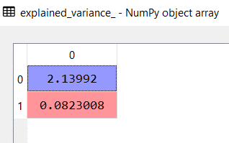
 | Raw Data |  |  |  |  |  | from python |  | eigvalues--> | 2.13992 | 0.0823008 | 2.2222208
 | x | y |  | x_scale | y_scale |  | x_trans | y_trans |  | eignV 1 | eignV 2 |  |  |  |  |  | manual multiplication
1 | 2.5 | 2.4 |  | 0.93 | 0.61 | 1 | -1.09 | -0.22 |  | -0.707107 | -0.707107 |  |  |  |  | 1 | -1.0864327544 | -0.22352370445
2 | 0.5 | 0.7 |  | -1.76 | -1.51 | 2 | 2.31 | 0.18 |  | -0.707107 | 0.707107 |  |  |  |  | 2 | 2.308937913 | 0.17808087124
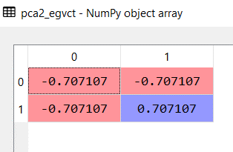
3 | 2.2 | 2.9 |  | 0.52 | 1.23 | 3 | -1.24 | 0.50 |  |  |  |  |  |  |  | 3 | -1.2419193306 | 0.50150915815
4 | 1.9 | 2.2 |  | 0.12 | 0.36 | 4 | -0.34 | 0.17 |  |  |  |  |  |  |  | 4 | -0.34078258021 | 0.16991869427
5 | 3.1 | 3 |  | 1.73 | 1.36 | 5 | -2.18 | -0.26 |  |  |  |  |  |  |  | 5 | -2.1842907041 | -0.26475832767
6 | 2.3 | 2.7 |  | 0.66 | 0.98 | 6 | -1.16 | 0.23 |  |  |  |  |  |  |  | 6 | -1.1607398239 | 0.23048088933
7 | 2 | 1.6 |  | 0.26 | -0.39 | 7 | 0.09 | -0.45 |  |  |  |  |  |  |  | 7 | 0.092604701963 | -0.45331735006
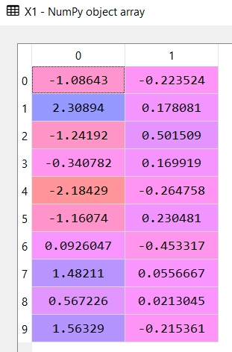
8 | 1 | 1.1 |  | -1.09 | -1.01 | 8 | 1.48 | 0.06 |  |  |  |  |  |  |  | 8 | 1.4821082321 | 0.055666741348
9 | 1.5 | 1.6 |  | -0.42 | -0.39 | 9 | 0.57 | 0.02 |  |  |  |  |  |  |  | 9 | 0.56722660735 | 0.021304555331
10 | 1.1 | 0.9 |  | -0.95 | -1.26 | 10 | 1.56 | -0.22 |  |  |  |  |  |  |  | 10 | 1.5632877388 | -0.21536152748
 |  |  | mean | 0.00 | 0.00 |  |  |  |  | 0.9629646163 | 0.037035383703
 |  |  |  |  |  |  |  |  | cum sum= | 0.963 | 1
 |  |  |  |  |  |  |  |  |  |  |  |  |  |  |  |  | 1 | -1.0864327544 | -0.22352370445
 |  |  |  |  |  |  |  |  |  |  |  |  |  |  |  |  | 2 | 2.308937913 | 0.17808087124
 |  |  |  |  |  |  |  |  |  |  |  |  |  |  |  |  | 3 | -1.2419193306 | 0.50150915815
 |  |  |  |  |  |  |  |  |  |  |  |  |  |  |  |  | 4 | -0.34078258021 | 0.16991869427
 |  |  |  |  |  |  |  |  |  |  |  |  |  |  |  |  | 5 | -2.1842907041 | -0.26475832767
 |  |  |  |  |  |  |  |  |  |  |  |  |  |  |  |  | 6 | -1.1607398239 | 0.23048088933
 |  |  |  |  |  |  |  |  |  |  |  |  |  |  |  |  | 7 | 0.092604701963 | -0.45331735006
 |  |  |  |  |  |  |  |  |  |  |  |  |  |  |  |  | 8 | 1.4821082321 | 0.055666741348
 |  |  |  |  |  |  |  |  |  |  |  |  |  |  |  |  | 9 | 0.56722660735 | 0.021304555331
 |  |  |  |  |  |  |  |  |  |  |  |  |  |  |  |  | 10 | 1.5632877388 | -0.21536152748

 |  |  |  |  |  |  |  |  | c1 | c2 | c3
 | 21 | 11 | 32 |  | 2 | 4 | 3 | r1 | 123 |  |  |  | 11 | 12 | 13
 | 12 | 34 | 20 |  | 3 | 5 | 3.05 | r2 |  |  |  |  | 21 | 22 | 23
 | 32 | 43 | 11 |  | 1.5 | 2.1 | 2 | r3 |  |  |  |  | 31 | 32 | 33
 |  |  | 3by3 |  |  |  | 3by3

 |  |  | row column wise |  |  |  |  | 11 | =21*2+11*3+32*1.5
 |  |  |  |  |  |  |  |  | 123
 |  |  |  |  | matrix multiplication
 |  |  |  |  | 123 | 206.2 | 160.55
 |  |  |  |  | 156 | 260 | 179.7
 |  |  |  |  | 209.5 | 366.1 | 249.15

2 feb 22
 |  |  |  |  |  |  | EIGEN VECTOR
x | y |  |  |  | x | y | german ; THE BEST!
2.5 | 2.4 |  |  | x | 0.5549 | 0.5539
0.5 | 0.7 |  |  | y | 0.5539 | 0.6449
2.2 | 2.9
1.9 | 2.2 |  |  |  | x | y
3.1 | 3 |  |  | x | cov(x,x) | cov(x,y) | cov(x,x) | var(x) | = sd(x) ^2
2.3 | 2.7 |  |  | y | cov(y,x) | cov(y,y)
2 | 1.6
1 | 1.1 |  | RAW |  |  |  | STANDARISED
1.5 | 1.6 |  | cov ? The relationship beteen x and y |  |  |  | correlation? The relationship between x, y
1.1 | 0.9
 |  |  |  |  |  |  | x | y | first, standardised
cov(x,x) | 0.5549 |  |  |  |  |  | 2.5 | 2.4 |  | 1, -1
cov(x,y) | 0.5539 |  |  |  |  |  | 0.5 | 0.7
cov(y,y) | 0.6449 |  |  |  |  |  | 2.2 | 2.9
cov(y,x) | 0.5539 |  |  |  |  |  | 1.9 | 2.2
 |  |  |  |  |  |  | 3.1 | 3
 |  |  |  |  |  |  | 2.3 | 2.7
 |  |  |  |  |  |  | 2 | 1.6
 |  |  |  |  |  |  | 1 | 1.1
 |  |  |  |  |  |  | 1.5 | 1.6
 |  |  |  |  |  |  | 1.1 | 0.9 |  |  |  |  |  |  |  |  |  | prop
 |  |  |  |  |  |  |  |  |  |  |  |  |  |  |  | High | bv1 | bv1/tot
 |  |  |  |  |  |  |  |  |  |  |  |  |  |  |  |  | bv2
 |  |  |  |  |  |  |  |  |  |  |  |  |  |  |  |  | bv3 |  | cum prop >=70%

 |  | 81 vars ---------16
 |  | simple model ?
 |  | less nos of vars |  |  |  |  |  |  |  |  | 2 |  |  |  |  | Low | bv11
 |  | continuous vars |  |  |  | variables = dimensions |  |  |  |  | cov matx |  |  | 4 |  |  | Total

Transformed Data
 |  | PCA Principal Component Analysis
 |  |  |  |  |  |  |  |  |  |  | 3
 |  | V1 | V2 | V3 | V4 |  |  | V11 |  |  | eigen vectors

 |  |  |  |  |  |  |  |  |  |  | eigen values

 |  |  |  |  | 1 |  |  |  |  | bv1 | bv2 | bv3 | bv4 |  | bv11
 |  |  |  |  | standardised |  |  |  |  | V1T | V2T | V3T | V4T |  | V11T
 |  |  |  |  | (x-mean)/sd

Raw 11 columns
Transformed 2 columns

visual
 | Raw Data
 | x | y |  | x_trans | y_trans
1 | 2.5 | 2.4 | 1 | -1.09 | -0.22
2 | 0.5 | 0.7 | 2 | 2.31 | 0.18
3 | 2.2 | 2.9 | 3 | -1.24 | 0.50
4 | 1.9 | 2.2 | 4 | -0.34 | 0.17
5 | 3.1 | 3 | 5 | -2.18 | -0.26
6 | 2.3 | 2.7 | 6 | -1.16 | 0.23
7 | 2 | 1.6 | 7 | 0.09 | -0.45
8 | 1 | 1.1 | 8 | 1.48 | 0.06
9 | 1.5 | 1.6 | 9 | 0.57 | 0.02
10 | 1.1 | 0.9 | 10 | 1.56 | -0.22
Raw Data
Transformed Data

